Material topics
At Telstra, we regularly review our most significant sustainability impacts and undertake our review in accordance with the guidance provided in the Global Reporting Initiative (GRI) Standards. This review involves desktop analysis and includes the issues and concerns of most interest to our internal and external stakeholders. Our assessment of impact materiality is focused on assessing outward impacts that Telstra creates, or has the potential to create, on people, society and the environment. The output of our material impact assessment informs the content of this report and is a key consideration in how we continue to evolve our sustainability ambitions. For more information about our materiality assessment methodology, please see our Sustainability at Telstra: In focus paper available on our reports page at www.telstra.com.au/sustainability/report.
Detailed information on these topics, as well as how we are managing them, can be found throughout our Bigger Picture 2023 Sustainability Report, available at our report page at www.telstra.com/sustainability/report
For definitions of our material sustainability impacts, please see our Report Glossary available on our reports page at www.telstra.com/sustainability/report. As part of our consideration of double materiality, inward impacts that generate or may generate risks or opportunities influencing Telstra’s enterprise value are identified through our risk management process. For more information about the most material risks to our business, including sustainability-related risks, please see the Material risks and Understanding our climate risks sections of our 2023 Annual Report available on our reports page at www.telstra.com/sustainability/report.

Materiality findings and high level treatment of material topics within the Bigger Picture 2023 Sustainability Report
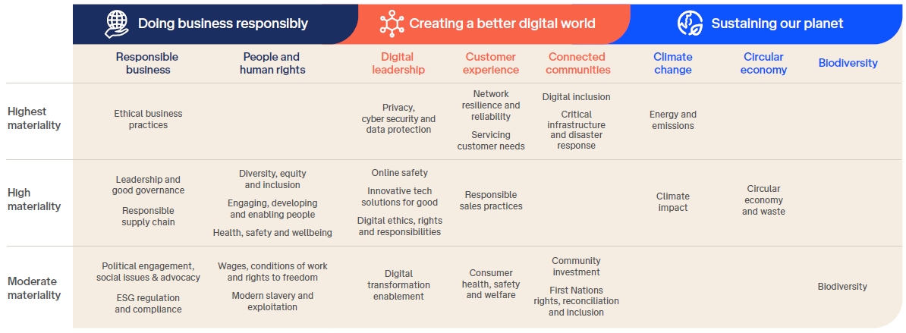

 | Strategic pillar | Theme | Material Topics

 | Doing business reponsibly | Responsible business | Ethical business practices
 |  |  | Leadership and good governance
 |  |  | Responsible supply chain
 |  |  | Political engagement, social issues and advocacy
 |  |  | ESG regulation and compliance
 |  | People and human rights | Diversity, equity and inclusion
 |  |  | Engaging, developing and enabling people
 |  |  | Health, safety and wellbeing
 |  |  | Wages, benefits and freedom of association
 |  |  | Modern slavery and exploitation
 | Creating a better digital world | Digital leadership | Privacy, cybersecurity and data protection
 |  |  | Online safety
 |  |  | Innovative tech solutions for good
 |  |  | Digital ethics, rights and responsibilities
 |  |  | Digital transformation enablement
 |  | Customer experience​ | Network resilience and reliability
 |  |  | Servicing customer needs
 |  |  | Responsible sales practices
 |  |  | Consumer health, safety and welfare
 |  | Connected communities | Digital inclusion
 |  |  | Critical infrastructure and disaster response
 |  |  | Community investment
 |  |  | First Nations rights, reconciliation and inclusion
 | Sustaining our planet | Climate change | Energy and emissions
 |  |  | Climate impact
 |  | Circular economy | Circular economy and waste
 |  | Biodiversity | Biodiversity

