Material topics
At Telstra, we regularly review our most significant sustainability impacts in accordance with the Global Reporting Initiative (GRI) Standards.
We apply a double materiality approach, considering both impact materiality (the outward-facing impact that Telstra can create on people and the environment) and financial materiality (the inward-facing risks and opportunities which may impact Telstra’s value). Our impact materiality assessment informs the content of this report and is a key consideration in how we continue to evolve our sustainability ambitions. We assess financial materiality through our finance and risk management process.We use a combination of key external and internal stakeholder assessments (including surveys and desktop reviews of external assessments such as peer company reports and industry reports) to determine priority topics.
More information is available in the corresponding documents on our reports page at telstra.com/sustainability/report.
Managing material topics, see our 2025 Bigger Picture Sustainability Report.
Materiality methodology, see our In focus: Sustainability at Telstra paper.
Material topic definitions, see our 2025 Report Glossary.
 | Materiality findings and high level treatment of material topics within the 2025 Bigger Picture Sustainability Report
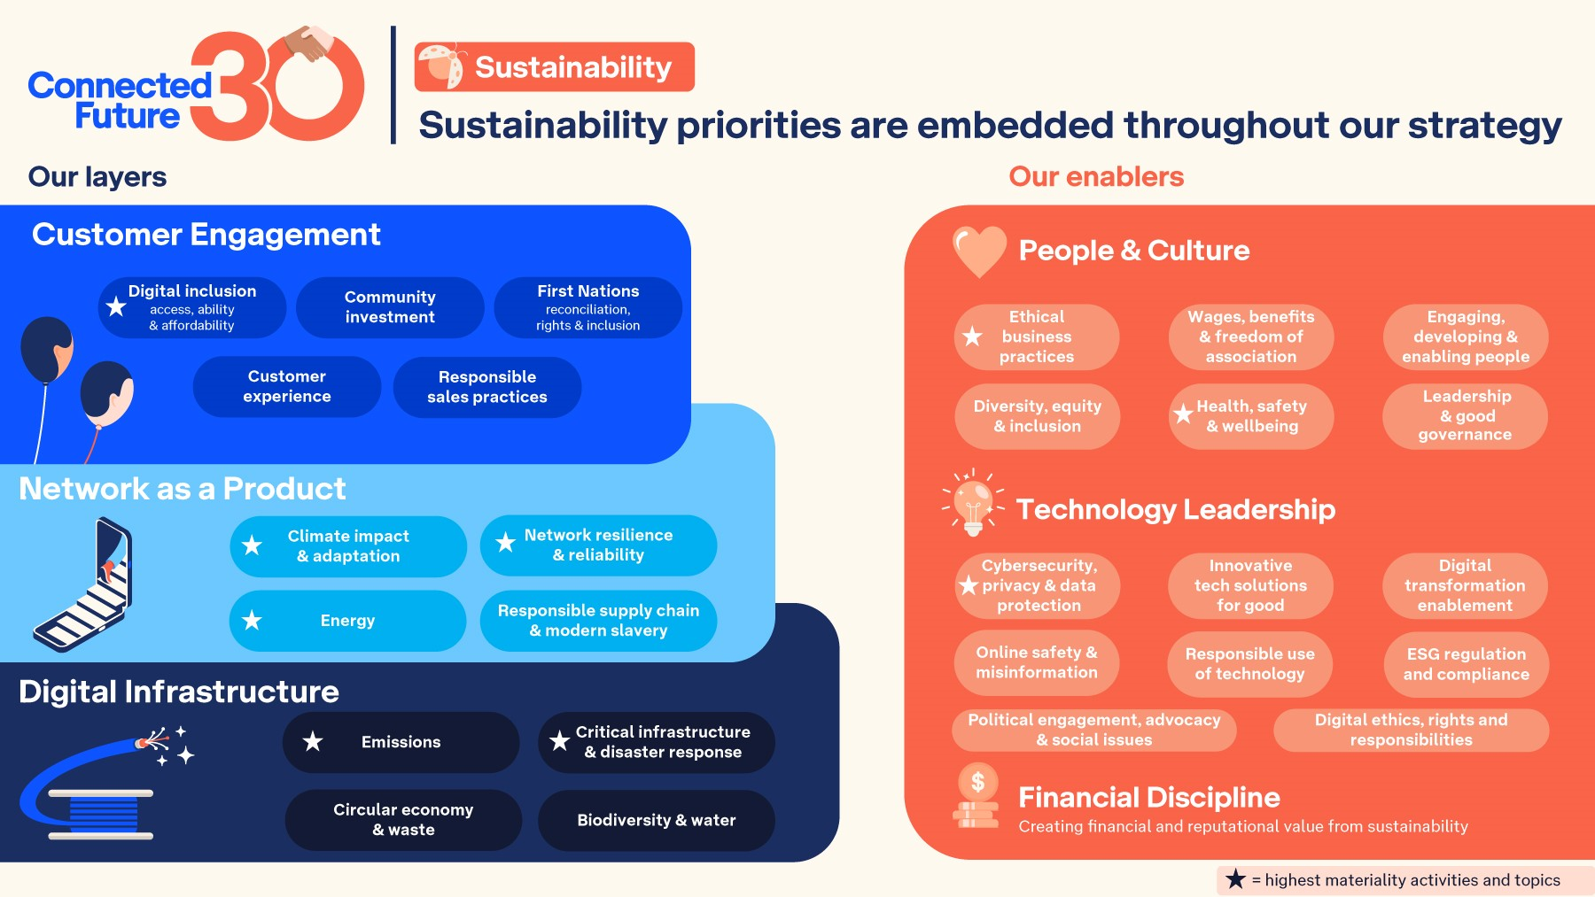

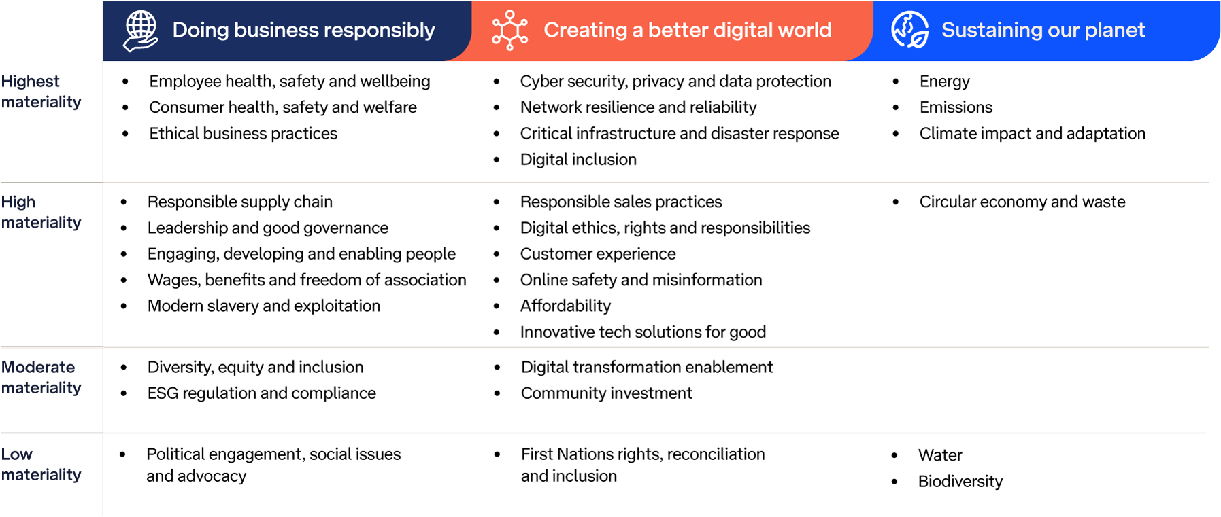

2025 Bigger Picture Sustainability Report

